MVO-MinVol
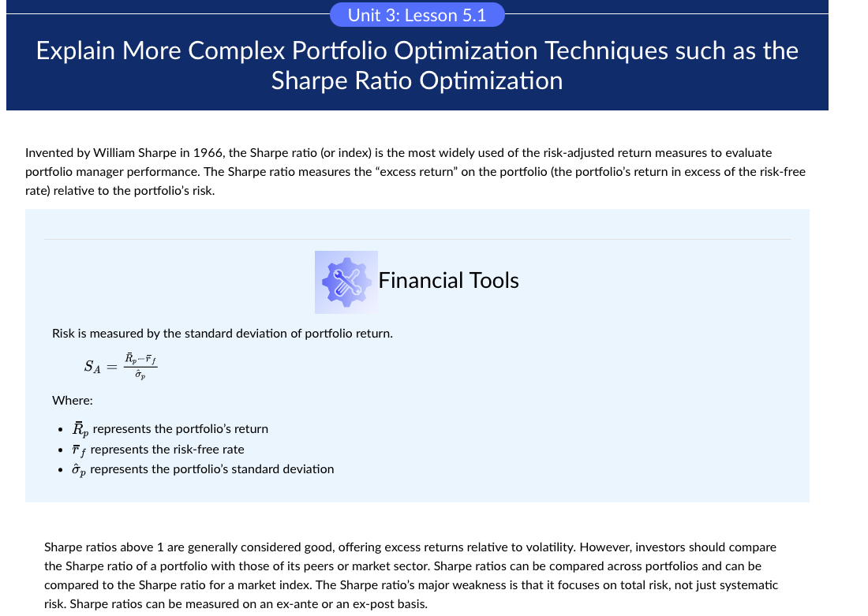
Six Asset Portfolio
 | Var-Cov | UST | US Large Cap | US IG Corp Bond | Dev ex US | REITs | EM
 | UST | 0.000025 | -0.000035 | 0.000011 | -0.000037 | -0.000045 | -0.000048
 | US Large Cap | -0.000035 | 0.000236 | 0.000014 | 0.000253 | 0.000350 | 0.000314
 | US IG Corp Bond | 0.000011 | 0.000014 | 0.000043 | 0.000024 | 0.000013 | 0.000028
 | Dev ex US | -0.000037 | 0.000253 | 0.000024 | 0.000329 | 0.000354 | 0.000372
 | REITs | -0.000045 | 0.000350 | 0.000013 | 0.000354 | 0.000755 | 0.000453
 | EM | -0.000048 | 0.000314 | 0.000028 | 0.000372 | 0.000453 | 0.000525

 | E Return | 5.43% | 10.05% | 6.64% | 4.93% | 16.05% | 5.40%
 | Volatility | 7.97% | 24.37% | 10.43% | 28.79% | 43.61% | 36.39%

 | Weights | 0.76 | 0.17 | 0.07 | 0.00 | 0.00 | 0.00 | 1.00
 | E Return | 4.14% | 1.70% | 0.45% | 0.00% | 0.00% | 0.00% | 6.29%
 |  |  |  |  |  |  | Variance | 0.000014
 |  |  |  |  |  |  | Volatility | 5.9%
 |  |  |  |  |  |  | Risk-Free Rate | 3.00%
 |  |  |  |  |  |  | Sharpe Ratio | 0.55

